3ina
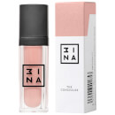
Articolo | Descrizione | Giacenza alla data | RETAIL | TTL RRP
8435446410137 | Blotting Papers | 23 | 6.95 € | 159.85 €
8435446408066 | CREAM EYESHADOW 318 | 3 | 12.50 € | 37.50 €
8435446408653 | Creamy blush - Glam rock 001 | 11 | 13.95 € | 153.45 €
8435446408646 | Glam Rock Eyeshadow Palette | 9 | 27.95 € | 251.55 €
8435446407601 | Hand Dream | 8 | 6.95 € | 55.60 €
8435446408790 | Kit 2 - Triple Dare | 7 | 39.95 € | 279.65 €
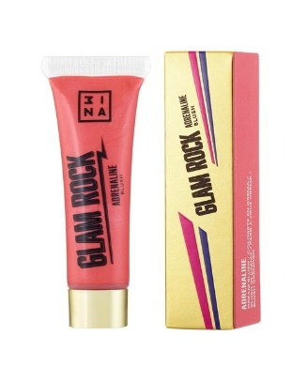
8435446408806 | Kit 3 - Alter Ego | 1 | 54.95 € | 54.95 €
8435446410021 | Kit 6 - Up all night | 1 | 46.95 € | 46.95 €
8435446410113 | Konjac (x3) | 22 | 6.95 € | 152.90 €
8435446407557 | Lips For Life | 2 | 9.95 € | 19.90 €
8435446409001 | Makeup Bag | 12 | 6.95 € | 83.40 €
8435446408981 | MINI Blenders | 1 | 5.95 € | 5.95 €
8435446407618 | Nail it! File | 5 | 4.95 € | 24.75 €
8435446408592 | Stylo lipstick - Glam rock 001 | 7 | 12.50 € | 87.50 €
8435446408608 | Stylo lipstick - Glam rock 002 | 9 | 12.50 € | 112.50 €
8435446408615 | Stylo lipstick - Glam rock 003 | 8 | 12.50 € | 100.00 €
8435446406734 | The 24h Foundation 612 | 26 | 23.50 € | 611.00 €
8435446406802 | The 24h Foundation 615 | 31 | 23.50 € | 728.50 €
8435446408363 | The 24h Foundation 621 | 4 | 12.50 € | 50.00 €
8435446406703 | The 24h Foundation 624 | 3 | 23.50 € | 70.50 €
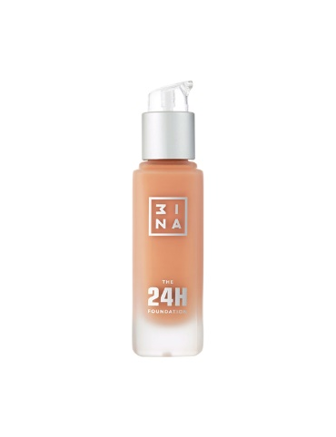
8435446406710 | The 24h Foundation 627 | 1 | 23.50 € | 23.50 €
8435446406765 | The 24h Foundation 630 | 4 | 23.50 € | 94.00 €
8435446406918 | The 24h Foundation 633 | 25 | 23.50 € | 587.50 €
8435446406727 | The 24h Foundation 636 | 23 | 23.50 € | 540.50 €
8435446406758 | The 24h Foundation 639 | 8 | 23.50 € | 188.00 €
8435446406789 | The 24h Foundation 641 | 4 | 23.50 € | 94.00 €
8435446406772 | The 24h Foundation 645 | 4 | 23.50 € | 94.00 €
8435446406833 | The 24h Foundation 648 | 3 | 23.50 € | 70.50 €
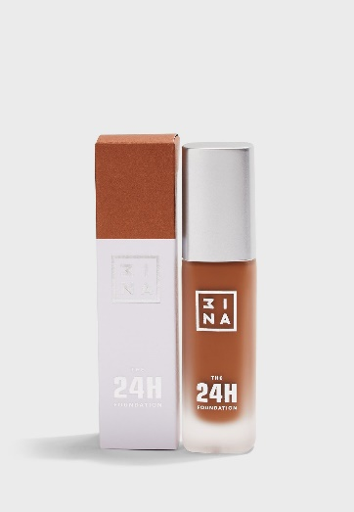
8435446406857 | The 24h Foundation 651 | 4 | 23.50 € | 94.00 €
8435446406796 | The 24h Foundation 654 | 4 | 23.50 € | 94.00 €
8435446406826 | The 24h Foundation 657 | 2 | 23.50 € | 47.00 €
8435446406819 | The 24h Foundation 660 | 4 | 23.50 € | 94.00 €
8435446406840 | The 24h Foundation 663 | 3 | 23.50 € | 70.50 €
8435446406864 | The 24h Foundation 667 | 3 | 23.50 € | 70.50 €
8435446406871 | The 24h Foundation 669 | 4 | 23.50 € | 94.00 €
8435446406888 | The 24h Foundation 672 | 4 | 23.50 € | 94.00 €
8435446406895 | The 24h Foundation 675 | 28 | 23.50 € | 658.00 €
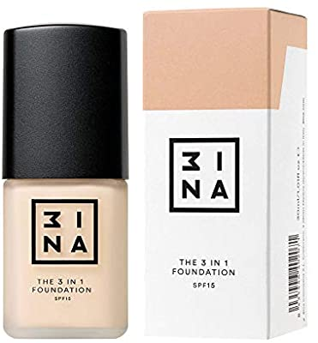
8435446406901 | The 24h Foundation 678 | 4 | 23.50 € | 94.00 €
8435446402071 | The 3in1 Foundation 200 | 1 | 19.95 € | 19.95 €
8435446402088 | The 3in1 Foundation 201 | 4 | 19.95 € | 79.80 €
8435446402118 | The 3in1 Foundation 204 | 23 | 19.95 € | 458.85 €
8435446402125 | The 3in1 Foundation 205 | 8 | 19.95 € | 159.60 €
8435446402132 | The 3in1 Foundation 206 | 6 | 19.95 € | 119.70 €
8435446402149 | The 3in1 Foundation 207 | 4 | 19.95 € | 79.80 €
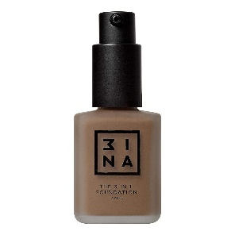
8435446402156 | The 3in1 Foundation 208 | 6 | 19.95 € | 119.70 €
8435446402170 | The 3in1 Foundation 210 | 3 | 19.95 € | 59.85 €
8435446402187 | The 3in1 Foundation 211 | 18 | 19.95 € | 359.10 €
8435446402194 | The 3in1 Foundation 212 | 6 | 19.95 € | 119.70 €
8435446404051 | The 3in1 Foundation 213 | 6 | 19.95 € | 119.70 €
8435446404068 | The 3in1 Foundation 214 | 6 | 19.95 € | 119.70 €
8435446404075 | The 3in1 Foundation 215 | 27 | 19.95 € | 538.65 €
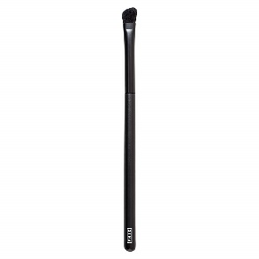
8435446404082 | The 3in1 Foundation 216 | 12 | 19.95 € | 239.40 €
8435446404099 | The 3in1 Foundation 217 | 12 | 19.95 € | 239.40 €
8435446405638 | The 3in1 Foundation 218 | 26 | 18.95 € | 492.70 €
8435446405645 | The 3in1 Foundation 219 | 25 | 18.95 € | 473.75 €
8435446405652 | The 3in1 Foundation 220 | 9 | 18.95 € | 170.55 €
8435446405669 | The 3in1 Foundation 221 | 7 | 18.95 € | 132.65 €
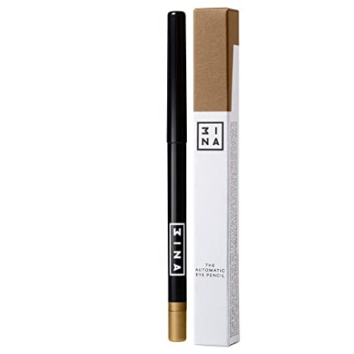
8435446405676 | The 3in1 Foundation 222 | 8 | 18.95 € | 151.60 €
8435446405683 | The 3in1 Foundation 223 | 23 | 18.95 € | 435.85 €
8435446406505 | The All in One Brush 205 | 1 | 19.95 € | 19.95 €
8435446407090 | The Angle Brush 102 | 7 | 13.95 € | 97.65 €
8435446400565 | The Automatic Eye Pencil 300 | 6 | 9.95 € | 59.70 €
8435446400589 | The Automatic Eye Pencil 302 | 10 | 9.95 € | 99.50 €
8435446400596 | The Automatic Eye Pencil 303 | 4 | 9.95 € | 39.80 €
8435446400602 | The Automatic Eye Pencil 304 | 3 | 9.95 € | 29.85 €
8435446400619 | The Automatic Eye Pencil 305 | 2 | 9.95 € | 19.90 €
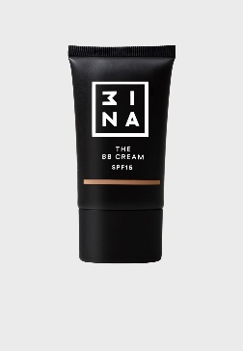
8435446400626 | The Automatic Eye Pencil 306 | 8 | 9.95 € | 79.60 €
8435446400640 | The Automatic Eye Pencil 308 | 1 | 9.95 € | 9.95 €
8435446400657 | The Automatic Eye Pencil 309 | 5 | 9.95 € | 49.75 €
8435446402026 | The BB Cream 100 | 5 | 12.50 € | 62.50 €
8435446402033 | The BB Cream 101 | 6 | 12.50 € | 75.00 €
8435446402040 | The BB Cream 102 | 2 | 12.50 € | 25.00 €
8435446402057 | The BB Cream 103 | 8 | 12.50 € | 100.00 €
8435446402064 | The BB Cream 104 | 7 | 12.50 € | 87.50 €
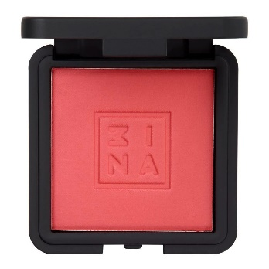
8435446406512 | The Blender Sponge | 8 | 8.95 € | 71.60 €
8435446410243 | THE BLENDER SPONGE LIMITED EDITION | 99 | 5.95 € | 589.05 €
8435446401685 | The Blush 100 | 2 | 11.95 € | 23.90 €
8435446401708 | The Blush 102 | 15 | 11.95 € | 179.25 €
8435446401722 | The Blush 104 | 3 | 11.95 € | 35.85 €
8435446401739 | The Blush 105 | 3 | 11.95 € | 35.85 €
8435446407373 | The Blush 106 | 5 | 12.50 € | 62.50 €
8435446407397 | The Blush 108 | 2 | 12.50 € | 25.00 €
8435446407403 | The Blush 109 | 5 | 12.50 € | 62.50 €
8435446405508 | The Blush Brush 203 | 9 | 15.95 € | 143.55 €
8435446401906 | The Bronzer Powder 100 | 19 | 13.95 € | 265.05 €
8435446401913 | The Bronzer Powder 101 | 12 | 13.95 € | 167.40 €
8435446401920 | The Bronzer Powder 102 | 3 | 13.95 € | 41.85 €
8435446401937 | The Bronzer Powder 103 | 5 | 13.95 € | 69.75 €
8435446401944 | The Bronzer Powder 104 | 44 | 13.95 € | 613.80 €
8435446406499 | The Brush Cleanser | 4 | 9.95 € | 39.80 €
8435446400961 | The Chubby Lipstick 101 | 6 | 9.95 € | 59.70 €
8435446400978 | The Chubby Lipstick 102 | 3 | 9.95 € | 29.85 €
8435446400985 | The Chubby Lipstick 103 | 6 | 9.95 € | 59.70 €
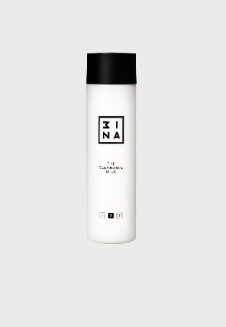
8435446400992 | The Chubby Lipstick 104 | 7 | 9.95 € | 69.65 €
8435446401005 | The Chubby Lipstick 105 | 5 | 9.95 € | 49.75 €
8435446401012 | The Chubby Lipstick 106 | 9 | 9.95 € | 89.55 €
8435446401036 | The Chubby Lipstick 108 | 21 | 9.95 € | 208.95 €
8435446401043 | The Chubby Lipstick 109 | 2 | 9.95 € | 19.90 €
8435446407199 | The Chubby Lipstick 110 | 12 | 9.95 € | 119.40 €
8435446407205 | The Chubby Lipstick 111 | 4 | 9.95 € | 39.80 €
8435446407229 | The Chubby Lipstick 113 | 7 | 9.95 € | 69.65 €
8435446406390 | The Chubby Lipstick 114 | 6 | 9.95 € | 59.70 €
8435446406406 | The Chubby Lipstick 115 | 5 | 9.95 € | 49.75 €
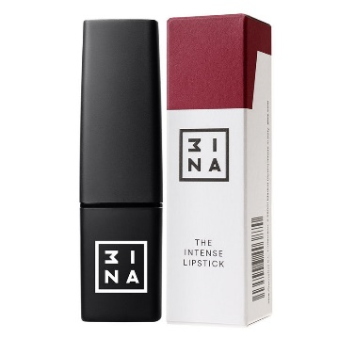
8435446406413 | The Chubby Lipstick 116 | 20 | 9.95 € | 199.00 €
8435446406437 | The Chubby Lipstick 118 | 8 | 9.95 € | 79.60 €
8435446406444 | The Chubby Lipstick 119 | 7 | 9.95 € | 69.65 €
8435446403238 | The Cleansing Milk | 22 | 9.95 € | 218.90 €
8435446404778 | The Colour Mascara 100 | 10 | 10.50 € | 105.00 €
8435446404785 | The Colour Mascara 101 | 5 | 10.50 € | 52.50 €
8435446404792 | The Colour Mascara 102 | 3 | 10.50 € | 31.50 €
8435446404808 | The Colour Mascara 103 | 5 | 10.50 € | 52.50 €
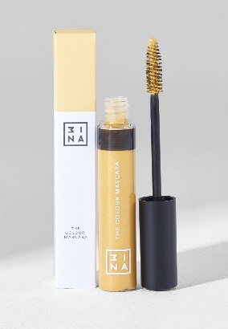
8435446404815 | The Colour Mascara 104 | 5 | 10.50 € | 52.50 €
8435446404839 | The Colour Mascara 106 | 4 | 10.50 € | 42.00 €
8435446404846 | The Colour Mascara 107 | 8 | 10.50 € | 84.00 €
8435446401968 | The Compact Powder 200 | 3 | 13.95 € | 41.85 €
8435446401999 | The Compact Powder 203 | 1 | 13.95 € | 13.95 €
8435446402002 | The Compact Powder 204 | 5 | 13.95 € | 69.75 €
8435446401777 | The Concealer 103 | 6 | 9.95 € | 59.70 €
8435446401784 | The Concealer 104 | 1 | 9.95 € | 9.95 €
8435446401791 | The Concealer 105 | 11 | 9.95 € | 109.45 €
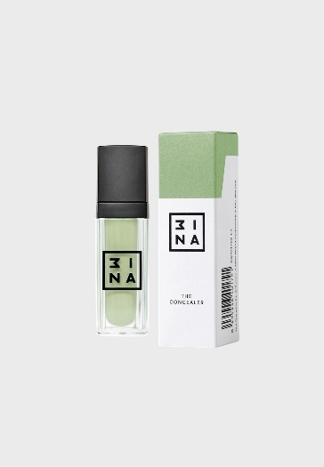
8435446406925 | The Concealer 106 | 6 | 9.95 € | 59.70 €
8435446406932 | The Concealer 107 | 10 | 9.95 € | 99.50 €
8435446406949 | The Concealer 108 | 7 | 9.95 € | 69.65 €
8435446406956 | The Concealer 109 | 8 | 9.95 € | 79.60 €
8435446407113 | The Concealer Brush 100 | 8 | 12.50 € | 100.00 €
8435446407236 | The Connectable Applicator 105 | 19 | 13.50 € | 256.50 €
8435446404853 | The Cream Eyeshadow 300 | 26 | 12.50 € | 325.00 €
8435446404860 | The Cream Eyeshadow 301 | 41 | 12.50 € | 512.50 €
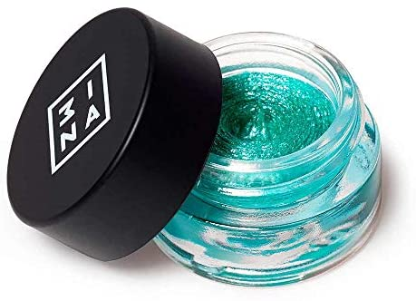
8435446404877 | The Cream Eyeshadow 302 | 9 | 12.50 € | 112.50 €
8435446404884 | The Cream Eyeshadow 303 | 11 | 12.50 € | 137.50 €
8435446404891 | The Cream Eyeshadow 304 | 40 | 12.50 € | 500.00 €
8435446404907 | The Cream Eyeshadow 305 | 8 | 12.50 € | 100.00 €
8435446404938 | The Cream Eyeshadow 308 | 2 | 12.50 € | 25.00 €
8435446404945 | The Cream Eyeshadow 309 | 8 | 12.50 € | 100.00 €
8435446404952 | The Cream Eyeshadow 310 | 7 | 12.50 € | 87.50 €
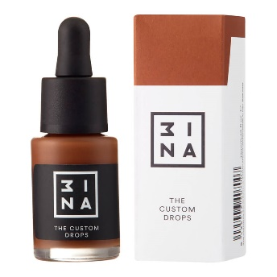
8435446404969 | The Cream Eyeshadow 311 | 4 | 12.50 € | 50.00 €
8435446404983 | The Cream Eyeshadow 313 | 2 | 12.50 € | 25.00 €
8435446404990 | The Cream Eyeshadow 314 | 19 | 12.50 € | 237.50 €
8435446405003 | The Cream Eyeshadow 315 | 44 | 12.50 € | 550.00 €
8435446405157 | The Cream Eyeshadow 316 | 57 | 12.50 € | 712.50 €
8435446408073 | The Cream Eyeshadow 319 | 8 | 12.50 € | 100.00 €
8435446408080 | The Cream Eyeshadow 320 | 3 | 12.50 € | 37.50 €
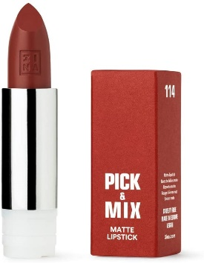
8435446406994 | The custom drops 601 | 2 | 12.50 € | 25.00 €
8435446407007 | The custom drops 602 | 11 | 12.50 € | 137.50 €
8435446407694 | The Custom Lipstick - Formula 001 | 1 | 6.95 € | 6.95 €
8435446407717 | The Custom Lipstick - Formula 003 | 10 | 6.95 € | 69.50 €
8435446407724 | The Custom Lipstick - Formula 004 | 2 | 6.95 € | 13.90 €
8435446407731 | The Custom Lipstick - Formula 005 | 1 | 6.95 € | 6.95 €
8435446407748 | The Custom Lipstick - Formula 006 | 10 | 6.95 € | 69.50 €
8435446407755 | The Custom Lipstick - Formula 007 | 1 | 6.95 € | 6.95 €
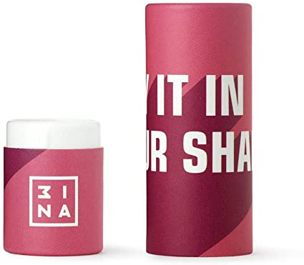
8435446407762 | The Custom Lipstick - Formula 008 | 1 | 6.95 € | 6.95 €
8435446407779 | The Custom Lipstick - Formula 009 | 6 | 6.95 € | 41.70 €
8435446407786 | The Custom Lipstick - Formula 010 | 4 | 6.95 € | 27.80 €
8435446407793 | The Custom Lipstick - Formula 011 | 3 | 6.95 € | 20.85 €
8435446407809 | The Custom Lipstick - Formula 012 | 5 | 6.95 € | 34.75 €
8435446407830 | The Custom Lipstick - Formula 015 | 2 | 6.95 € | 13.90 €
8435446407847 | The Custom Lipstick - Formula 016 | 5 | 6.95 € | 34.75 €
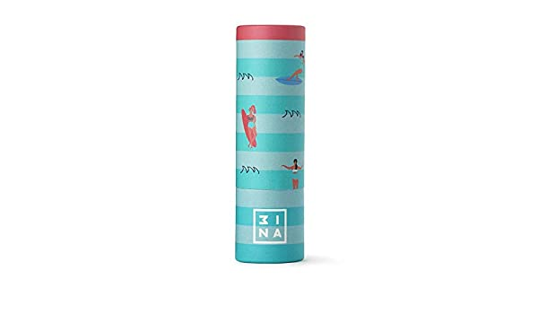
8435446407915 | The Custom Lipstick - Packaging 002 | 2 | 4.95 € | 9.90 €
8435446407922 | The Custom Lipstick - Packaging 003 | 10 | 4.95 € | 49.50 €
8435446407939 | The Custom Lipstick - Packaging 004 | 2 | 4.95 € | 9.90 €
8435446407946 | The Custom Lipstick - Packaging 005 | 8 | 4.95 € | 39.60 €
8435446407953 | The Custom Lipstick - Packaging 006 | 13 | 4.95 € | 64.35 €
8435446407960 | The Custom Lipstick - Packaging 007 | 1 | 4.95 € | 4.95 €
8435446407977 | The Custom Lipstick - Packaging 008 | 6 | 4.95 € | 29.70 €
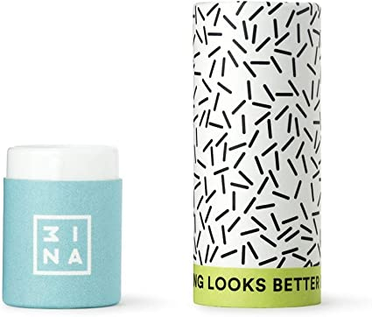
8435446407984 | The Custom Lipstick - Packaging 009 | 7 | 4.95 € | 34.65 €
8435446407991 | The Custom Lipstick - Packaging 010 | 14 | 4.95 € | 69.30 €
8435446408011 | The Custom Lipstick - Packaging 012 | 2 | 4.95 € | 9.90 €
8435446408028 | The Custom Lipstick - Packaging 013 | 11 | 4.95 € | 54.45 €
8435446408035 | The Custom Lipstick - Packaging 014 | 12 | 4.95 € | 59.40 €
8435446408042 | The Custom Lipstick - Packaging 015 | 15 | 4.95 € | 74.25 €
8435446408059 | The Custom Lipstick - Packaging 016 | 4 | 4.95 € | 19.80 €
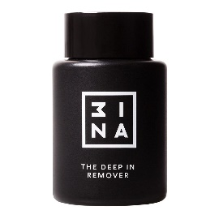
8435446402361 | The Deep in Remover | 14 | 8.95 € | 125.30 €
8435446400770 | The Definition Mascara | 1 | 10.50 € | 10.50 €
8435446407342 | The Dot Pen Eyeliner | 11 | 10.50 € | 115.50 €
8435446404426 | The Double Sharpener | 6 | 4.95 € | 29.70 €
8435446405980 | The Duo Eyeshadow 600 | 28 | 12.50 € | 350.00 €
8435446405997 | The Duo Eyeshadow 601 | 2 | 12.50 € | 25.00 €
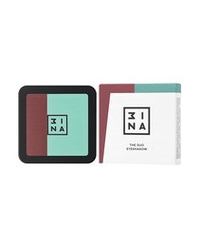
8435446406000 | The Duo Eyeshadow 602 | 47 | 12.50 € | 587.50 €
8435446406017 | The Duo Eyeshadow 603 | 40 | 12.50 € | 500.00 €
8435446406024 | The Duo Eyeshadow 604 | 20 | 12.50 € | 250.00 €
8435446406031 | The Duo Eyeshadow 605 | 24 | 12.50 € | 300.00 €
8435446406048 | The Duo Eyeshadow 606 | 7 | 12.50 € | 87.50 €
8435446406055 | The Duo Eyeshadow 607 | 5 | 12.50 € | 62.50 €
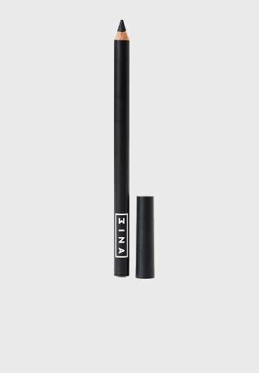
8435446406062 | The Duo Eyeshadow 608 | 47 | 12.50 € | 587.50 €
8435446406079 | The Duo Eyeshadow 609 | 1 | 12.50 € | 12.50 €
8435446406086 | The Duo Eyeshadow 610 | 48 | 12.50 € | 600.00 €
8435446406093 | The Duo Eyeshadow 611 | 6 | 12.50 € | 75.00 €
8435446403474 | The Essential Eye Pencil 101 | 21 | 4.50 € | 94.50 €
8435446403481 | The Essential Eye Pencil 102 | 4 | 4.50 € | 18.00 €
8435446403498 | The Essential Eye Pencil 103 | 1 | 4.50 € | 4.50 €
8435446403504 | The Essential Eye Pencil 104 | 4 | 4.50 € | 18.00 €
8435446403511 | The Essential Eye Pencil 105 | 6 | 4.50 € | 27.00 €
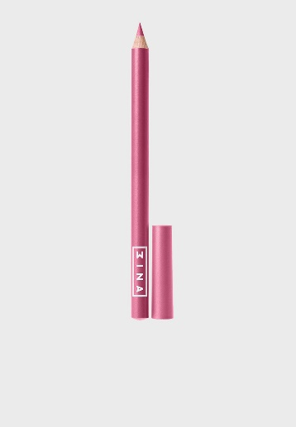
8435446403528 | The Essential Eye Pencil 106 | 9 | 4.50 € | 40.50 €
8435446403535 | The Essential Eye Pencil 107 | 18 | 4.50 € | 81.00 €
8435446403542 | The Essential Eye Pencil 108 | 6 | 4.50 € | 27.00 €
8435446403559 | The Essential Eye Pencil 109 | 15 | 4.50 € | 67.50 €
8435446403566 | The Essential Eye Pencil 110 | 31 | 4.50 € | 139.50 €
8435446403573 | The Essential Eye Pencil 111 | 5 | 4.50 € | 22.50 €
8435446403658 | The Essential Lip Pencil 400 | 9 | 4.95 € | 44.55 €
8435446403665 | The Essential Lip Pencil 401 | 8 | 4.95 € | 39.60 €
8435446403702 | The Essential Lip Pencil 405 | 8 | 4.95 € | 39.60 €
8435446403726 | The Essential Lip Pencil 407 | 6 | 4.95 € | 29.70 €
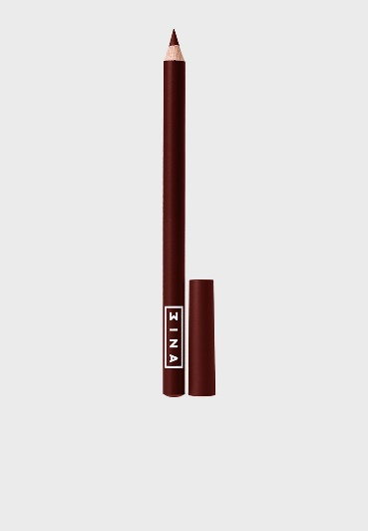
8435446403733 | The Essential Lip Pencil 408 | 7 | 4.95 € | 34.65 €
8435446403757 | The Essential Lip Pencil 410 | 4 | 4.95 € | 19.80 €
8435446403764 | The Essential Lip Pencil 411 | 2 | 4.95 € | 9.90 €
8435446405942 | The Eye Gloss 500 | 4 | 12.50 € | 50.00 €
8435446405959 | The Eye Gloss 501 | 27 | 12.50 € | 337.50 €
8435446405966 | The Eye Gloss 502 | 34 | 12.50 € | 425.00 €
8435446405973 | The Eye Gloss 503 | 1 | 12.50 € | 12.50 €
8435446405454 | The Eye Mask | 47 | 5.50 € | 258.50 €
8435446400510 | The Eye Pencil 200 | 5 | 9.95 € | 49.75 €
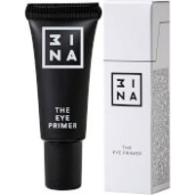
8435446400534 | The Eye Pencil 202 | 4 | 9.95 € | 39.80 €
8435446400541 | The Eye Pencil 203 | 4 | 9.95 € | 39.80 €
8435446400558 | The Eye Pencil 204 | 8 | 9.95 € | 79.60 €
8435446403580 | The Eye Pencil 205 | 10 | 9.95 € | 99.50 €
8435446403610 | The Eye Pencil 206 | 1 | 9.95 € | 9.95 €
8435446403627 | The Eye Pencil 207 | 6 | 9.95 € | 59.70 €
8435446400732 | The Eye Primer | 22 | 9.95 € | 218.90 €
8435446403597 | The Eyebrow Kit 400 | 4 | 15.95 € | 63.80 €
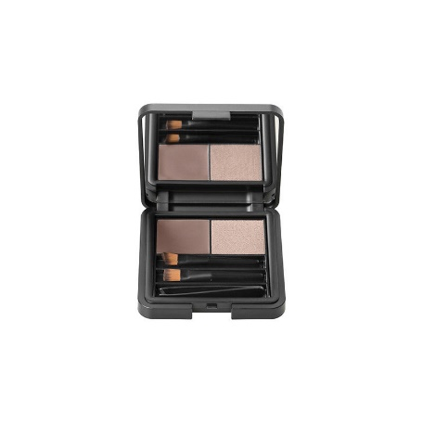
8435446403603 | The Eyebrow Kit 401 | 2 | 15.95 € | 31.90 €
8435446406109 | The Eyebrow Kit 402 | 14 | 15.95 € | 223.30 €
8435446406116 | The Eyebrow Kit 403 | 5 | 15.95 € | 79.75 €
8435446405324 | The Eyebrow Marker 300 | 21 | 10.50 € | 220.50 €
8435446405331 | The Eyebrow Marker 301 | 7 | 10.50 € | 73.50 €
8435446405294 | The Eyebrow Mascara 201 | 7 | 10.50 € | 73.50 €
8435446405317 | The Eyebrow Mascara 203 | 9 | 10.50 € | 94.50 €
8435446400695 | The Eyebrow Pencil 100 | 4 | 9.95 € | 39.80 €
8435446400701 | The Eyebrow Pencil 101 | 5 | 9.95 € | 49.75 €
8435446400725 | The Eyebrow Pencil 103 | 19 | 9.95 € | 189.05 €
8435446405270 | The Eyeliner 500 | 1 | 10.50 € | 10.50 €
8435446404693 | The Eyeliner 502 | 10 | 10.50 € | 105.00 €
8435446404730 | The Eyeliner 506 | 7 | 10.50 € | 73.50 €
8435446404747 | The Eyeliner 507 | 8 | 10.50 € | 84.00 €
8435446404754 | The Eyeliner 508 | 41 | 10.50 € | 430.50 €
8435446404761 | The Eyeliner 509 | 4 | 10.50 € | 42.00 €
8435446400015 | The Eyeshadow 100 | 21 | 9.95 € | 208.95 €
8435446400022 | The Eyeshadow 101 | 4 | 9.95 € | 39.80 €
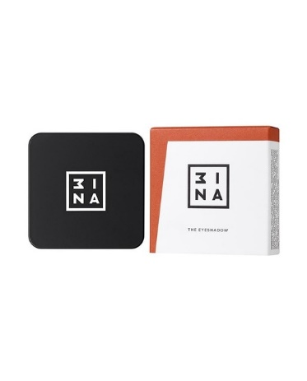
8435446400039 | The Eyeshadow 102 | 9 | 9.95 € | 89.55 €
8435446400046 | The Eyeshadow 103 | 20 | 9.95 € | 199.00 €
8435446400060 | The Eyeshadow 105 | 5 | 9.95 € | 49.75 €
8435446400077 | The Eyeshadow 106 | 20 | 9.95 € | 199.00 €
8435446400084 | The Eyeshadow 107 | 10 | 9.95 € | 99.50 €
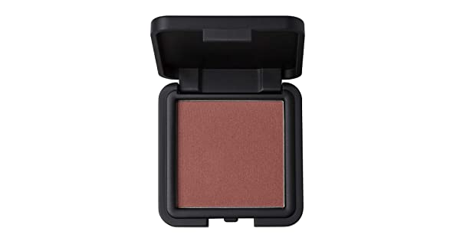
8435446400091 | The Eyeshadow 108 | 12 | 9.95 € | 119.40 €
8435446400107 | The Eyeshadow 109 | 8 | 9.95 € | 79.60 €
8435446400114 | The Eyeshadow 110 | 10 | 9.95 € | 99.50 €
8435446400138 | The Eyeshadow 112 | 9 | 9.95 € | 89.55 €
8435446400169 | The Eyeshadow 115 | 9 | 9.95 € | 89.55 €
8435446400176 | The Eyeshadow 116 | 5 | 9.95 € | 49.75 €
8435446400183 | The Eyeshadow 117 | 8 | 9.95 € | 79.60 €
8435446400190 | The Eyeshadow 118 | 7 | 9.95 € | 69.65 €
8435446400206 | The Eyeshadow 119 | 6 | 9.95 € | 59.70 €
8435446400213 | The Eyeshadow 120 | 4 | 9.95 € | 39.80 €
8435446400237 | The Eyeshadow 122 | 12 | 9.95 € | 119.40 €
8435446400244 | The Eyeshadow 123 | 11 | 9.95 € | 109.45 €
8435446400251 | The Eyeshadow 124 | 12 | 9.95 € | 119.40 €
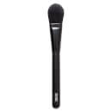
8435446400268 | The Eyeshadow 125 | 11 | 9.95 € | 109.45 €
8435446400275 | The Eyeshadow 126 | 11 | 9.95 € | 109.45 €
8435446400282 | The Eyeshadow 127 | 12 | 9.95 € | 119.40 €
8435446400299 | The Eyeshadow 128 | 20 | 9.95 € | 199.00 €
8435446400305 | The Eyeshadow 129 | 34 | 9.95 € | 338.30 €
8435446400312 | The Eyeshadow 130 | 12 | 9.95 € | 119.40 €
8435446400329 | The Eyeshadow 131 | 12 | 9.95 € | 119.40 €
8435446400343 | The Eyeshadow 133 | 12 | 9.95 € | 119.40 €
8435446400350 | The Eyeshadow 134 | 11 | 9.95 € | 109.45 €
8435446400367 | The Eyeshadow 135 | 8 | 9.95 € | 79.60 €
8435446400374 | The Eyeshadow 136 | 12 | 9.95 € | 119.40 €
8435446400381 | The Eyeshadow 137 | 3 | 9.95 € | 29.85 €
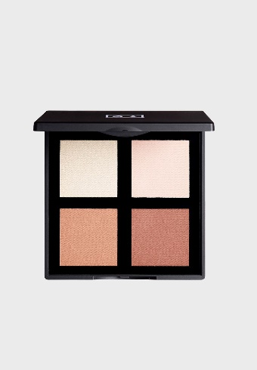
8435446400404 | The Eyeshadow 139 | 8 | 9.95 € | 79.60 €
8435446405492 | The Eyeshadow Brush 103 | 4 | 12.50 € | 50.00 €
8435446405041 | The Eyeshadow Palette 101 | 10 | 15.95 € | 159.50 €
8435446405058 | The Eyeshadow Palette 102 | 1 | 15.95 € | 15.95 €
8435446405065 | The Eyeshadow Palette 103 | 4 | 15.95 € | 63.80 €
8435446407366 | The Face Palette 600 | 40 | 18.95 € | 758.00 €
8435446406482 | The Fan Brush 206 | 6 | 19.95 € | 119.70 €
8435446405478 | The Fixing Spray | 11 | 10.50 € | 115.50 €
8435446410304 | The fixing spray - CHERRY BLOSSOM SAKURA | 11 | 12.50 € | 137.50 €
8435446410311 | The fixing spray - ORANGE BLOSSOM AZAHAR | 10 | 12.50 € | 125.00 €
8435446407441 | The Fluoro Eye Pencil 700 | 4 | 9.95 € | 39.80 €
8435446406536 | The Foundation Brush 200 | 86 | 15.95 € | 1,371.70 €
8435446405515 | The Foundation Finish Brush 202 | 10 | 19.95 € | 199.50 €
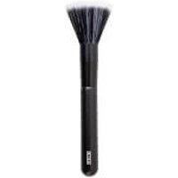
8435446401845 | The Full Concealer 300 | 10 | 11.95 € | 119.50 €
8435446401852 | The Full Concealer 301 | 10 | 11.95 € | 119.50 €
8435446401869 | The Full Concealer 302 | 10 | 11.95 € | 119.50 €
8435446401876 | The Full Concealer 303 | 7 | 11.95 € | 83.65 €
8435446401883 | The Full Concealer 304 | 10 | 11.95 € | 119.50 €
8435446401890 | The Full Concealer 305 | 11 | 11.95 € | 131.45 €
8435446405881 | The Gel Eyeliner 800 | 7 | 10.50 € | 73.50 €
8435446405898 | The Gel Eyeliner 801 | 9 | 10.50 € | 94.50 €
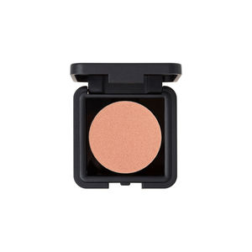
8435446405904 | The Gel Eyeliner 802 | 23 | 10.50 € | 241.50 €
8435446405911 | The Gel Eyeliner 803 | 9 | 10.50 € | 94.50 €
8435446404464 | The Gel Nail Polish 201 | 187 | 8.95 € | 1,673.65 €
8435446404563 | The Gel Nail Polish 211 | 11 | 8.95 € | 98.45 €
8435446404570 | The Gel Nail Polish 212 | 24 | 8.95 € | 214.80 €
8435446404587 | The Gel Nail Polish 213 | 47 | 8.95 € | 420.65 €
8435446404594 | The Gel Nail Polish 214 | 34 | 8.95 € | 304.30 €
8435446407250 | The Glitter Eye Pencil 401 | 3 | 9.95 € | 29.85 €
8435446406673 | The Glowing Face Palette 601 | 1 | 19.95 € | 19.95 €
8435446404198 | The Highlighter 200 | 12 | 12.50 € | 150.00 €
8435446401807 | The Highlighting Concealer 200 | 96 | 9.95 € | 955.20 €
8435446401814 | The Highlighting Concealer 201 | 51 | 9.95 € | 507.45 €
8435446401821 | The Highlighting Concealer 202 | 41 | 9.95 € | 407.95 €
8435446401364 | The Intense Lipstick 300 | 10 | 9.95 € | 99.50 €
8435446401371 | The Intense Lipstick 301 | 5 | 9.95 € | 49.75 €
8435446401388 | The Intense Lipstick 302 | 16 | 9.95 € | 159.20 €
8435446401395 | The Intense Lipstick 303 | 8 | 9.95 € | 79.60 €
8435446401401 | The Intense Lipstick 304 | 6 | 9.95 € | 59.70 €
8435446401418 | The Intense Lipstick 305 | 13 | 9.95 € | 129.35 €
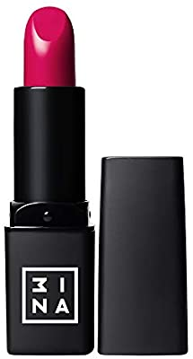
8435446401425 | The Intense Lipstick 306 | 2 | 9.95 € | 19.90 €
8435446401432 | The Intense Lipstick 307 | 8 | 9.95 € | 79.60 €
8435446401449 | The Intense Lipstick 308 | 4 | 9.95 € | 39.80 €
8435446401456 | The Intense Lipstick 309 | 4 | 9.95 € | 39.80 €
8435446401463 | The Intense Lipstick 310 | 13 | 9.95 € | 129.35 €
8435446401470 | The Intense Lipstick 311 | 3 | 9.95 € | 29.85 €
8435446401487 | The Intense Lipstick 312 | 18 | 9.95 € | 179.10 €
8435446401494 | The Intense Lipstick 313 | 4 | 9.95 € | 39.80 €
8435446401500 | The Intense Lipstick 314 | 14 | 9.95 € | 139.30 €
8435446407106 | The Kabuki Brush 204 | 6 | 23.95 € | 143.70 €
8435446404600 | The Kajal 401 | 29 | 9.95 € | 288.55 €
8435446404617 | The Kajal 402 | 2 | 9.95 € | 19.90 €
8435446404624 | The Kajal 403 | 16 | 9.95 € | 159.20 €
8435446404648 | The Kajal 405 | 29 | 9.95 € | 288.55 €
8435446404655 | The Kajal 406 | 7 | 9.95 € | 69.65 €
8435446404662 | The Kajal 407 | 3 | 9.95 € | 29.85 €
8435446404679 | The Kajal 408 | 5 | 9.95 € | 49.75 €
8435446405829 | The Lash Primer | 4 | 12.50 € | 50.00 €
8435446405850 | The Lash Tint | 59 | 12.50 € | 737.50 €
8435446403634 | The Lengthening Mascara | 3 | 10.50 € | 31.50 €
8435446406550 | The Liner Brush 104 | 10 | 12.50 € | 125.00 €
8435446406529 | The Lip Brush 300 | 5 | 10.50 € | 52.50 €
8435446400800 | The Lip Gloss 100 | 5 | 9.95 € | 49.75 €
8435446400824 | The Lip Gloss 102 | 9 | 9.95 € | 89.55 €
8435446400831 | The Lip Gloss 103 | 6 | 9.95 € | 59.70 €
8435446400848 | The Lip Gloss 104 | 6 | 9.95 € | 59.70 €
8435446400855 | The Lip Gloss 105 | 3 | 9.95 € | 29.85 €
8435446400862 | The Lip Gloss 106 | 4 | 9.95 € | 39.80 €
8435446400879 | The Lip Gloss 107 | 11 | 9.95 € | 109.45 €
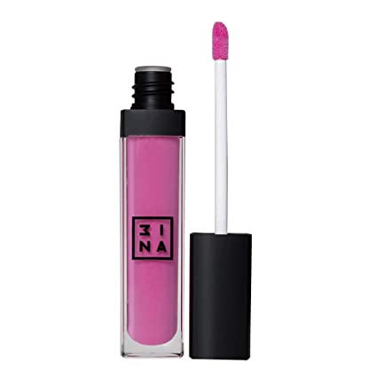
8435446400886 | The Lip Gloss 108 | 10 | 9.95 € | 99.50 €
8435446400893 | The Lip Gloss 109 | 3 | 9.95 € | 29.85 €
8435446400909 | The Lip Gloss 110 | 4 | 9.95 € | 39.80 €
8435446400916 | The Lip Gloss 111 | 1 | 9.95 € | 9.95 €
8435446400923 | The Lip Gloss 112 | 9 | 9.95 € | 89.55 €
8435446400930 | The Lip Gloss 113 | 23 | 9.95 € | 228.85 €
8435446400947 | The Lip Gloss 114 | 12 | 9.95 € | 119.40 €
8435446405461 | The Lip Mask | 35 | 5.50 € | 192.50 €
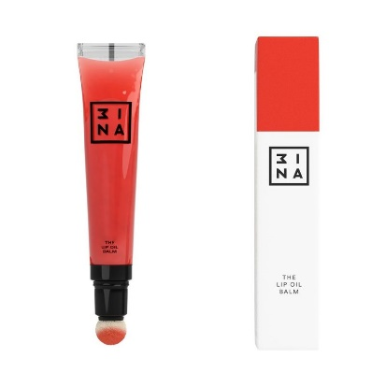
8435446405072 | The Lip Oil Balm 100 | 1 | 9.95 € | 9.95 €
8435446405102 | The Lip Oil Balm 103 | 31 | 9.95 € | 308.45 €
8435446405119 | The Lip Oil Balm 104 | 14 | 9.95 € | 139.30 €
8435446405126 | The Lip Oil Balm 105 | 17 | 9.95 € | 169.15 €
8435446401050 | The Lip Pencil 500 | 1 | 9.95 € | 9.95 €
8435446401067 | The Lip Pencil 501 | 7 | 9.95 € | 69.65 €
8435446401074 | The Lip Pencil 502 | 8 | 9.95 € | 79.60 €
8435446401081 | The Lip Pencil 503 | 8 | 9.95 € | 79.60 €
8435446401098 | The Lip Pencil 504 | 10 | 9.95 € | 99.50 €
8435446403788 | The Lip Pencil 507 | 7 | 9.95 € | 69.65 €
8435446403795 | The Lip Pencil 508 | 7 | 9.95 € | 69.65 €
8435446403801 | The Lip Pencil 509 | 4 | 9.95 € | 39.80 €
8435446407267 | The Lip Pencil 510 | 9 | 9.95 € | 89.55 €
8435446407281 | The Lip Pencil 512 | 5 | 9.95 € | 49.75 €
8435446407298 | The Lip Pencil 513 | 2 | 9.95 € | 19.90 €
8435446407304 | The Lip Pencil 514 | 8 | 9.95 € | 79.60 €
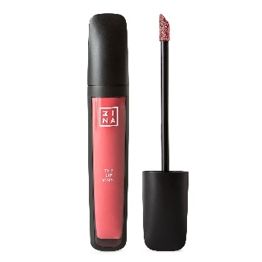
8435446407311 | The Lip Pencil 515 | 9 | 9.95 € | 89.55 €
8435446407328 | The Lip Pencil 516 | 13 | 9.95 € | 129.35 €
8435446400794 | The Lip Primer | 24 | 9.95 € | 238.80 €
8435446406321 | The Lip Vinyl 701 | 3 | 10.50 € | 31.50 €
8435446406338 | The Lip Vinyl 702 | 1 | 10.50 € | 10.50 €
8435446407168 | The Lip Vinyl 703 | 7 | 10.50 € | 73.50 €
8435446406369 | The Lip Vinyl 705 | 2 | 10.50 € | 21.00 €
8435446407175 | The Lip Vinyl 706 | 8 | 10.50 € | 84.00 €
8435446407182 | The Lip Vinyl 707 | 11 | 10.50 € | 115.50 €
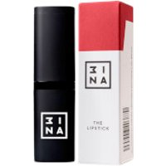
8435446401111 | The Lipstick 100 | 11 | 9.95 € | 109.45 €
8435446401128 | The Lipstick 101 | 9 | 9.95 € | 89.55 €
8435446401135 | The Lipstick 102 | 19 | 9.95 € | 189.05 €
8435446401142 | The Lipstick 103 | 1 | 9.95 € | 9.95 €
8435446401159 | The Lipstick 104 | 30 | 9.95 € | 298.50 €
8435446401166 | The Lipstick 105 | 12 | 9.95 € | 119.40 €
8435446401180 | The Lipstick 107 | 7 | 9.95 € | 69.65 €
8435446401197 | The Lipstick 108 | 5 | 9.95 € | 49.75 €
8435446401203 | The Lipstick 109 | 14 | 9.95 € | 139.30 €
8435446403818 | The Lipstick 110 | 8 | 5.95 € | 47.60 €
8435446403825 | The Lipstick 111 | 4 | 5.95 € | 23.80 €
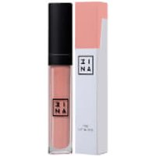
8435446403832 | The Lipstick 112 | 14 | 5.95 € | 83.30 €
8435446403849 | The Lipstick 113 | 9 | 5.95 € | 53.55 €
8435446403856 | The Lipstick 114 | 9 | 5.95 € | 53.55 €
8435446403863 | The Lipstick 115 | 4 | 5.95 € | 23.80 €
8435446403870 | The Lipstick 116 | 2 | 5.95 € | 11.90 €
8435446403887 | The Lipstick 117 | 12 | 5.95 € | 71.40 €
8435446403894 | The Lipstick 118 | 8 | 5.95 € | 47.60 €
8435446403900 | The Lipstick 119 | 33 | 5.95 € | 196.35 €
8435446403917 | The Lipstick 120 | 5 | 5.95 € | 29.75 €
8435446403924 | The Lipstick 121 | 9 | 5.95 € | 53.55 €
8435446403931 | The Lipstick 122 | 7 | 5.95 € | 41.65 €
8435446403948 | The Lipstick 123 | 9 | 5.95 € | 53.55 €
8435446403962 | The Longwear Lipstick 501 | 2 | 10.50 € | 21.00 €
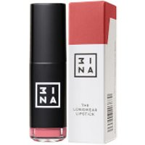
8435446403979 | The Longwear Lipstick 502 | 8 | 10.50 € | 84.00 €
8435446403993 | The Longwear Lipstick 504 | 46 | 10.50 € | 483.00 €
8435446404013 | The Longwear Lipstick 506 | 9 | 10.50 € | 94.50 €
8435446404020 | The Longwear Lipstick 507 | 25 | 10.50 € | 262.50 €
8435446404044 | The Longwear Lipstick 509 | 40 | 10.50 € | 420.00 €
8435446405577 | The Longwear Lipstick 510 | 16 | 10.50 € | 168.00 €
8435446405584 | The Longwear Lipstick 511 | 20 | 10.50 € | 210.00 €
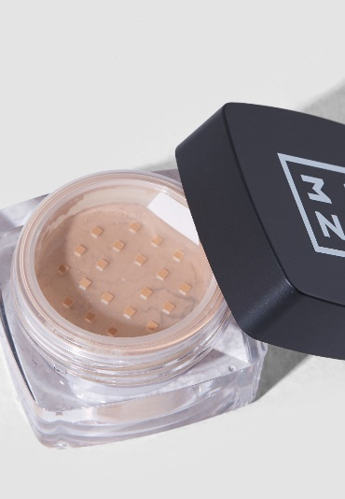
8435446405591 | The Longwear Lipstick 512 | 4 | 10.50 € | 42.00 €
8435446406253 | The Longwear Lipstick 515 | 4 | 10.50 € | 42.00 €
8435446406260 | The Longwear Lipstick 516 | 19 | 10.50 € | 199.50 €
8435446406277 | The Longwear Lipstick 517 | 11 | 10.50 € | 115.50 €
8435446406284 | The Longwear Lipstick 518 | 10 | 10.50 € | 105.00 €
8435446406291 | The Longwear Lipstick 519 | 7 | 10.50 € | 73.50 €
8435446406307 | The Longwear Lipstick 520 | 6 | 10.50 € | 63.00 €
8435446404112 | The Loose Powder 100 | 69 | 13.95 € | 962.55 €
8435446404143 | The Loose Powder 101 | 54 | 13.95 € | 753.30 €
8435446404150 | The Loose Powder 102 | 29 | 13.95 € | 404.55 €
8435446404167 | The Loose Powder 103 | 24 | 13.95 € | 334.80 €
8435446404174 | The Loose Powder 104 | 22 | 13.95 € | 306.90 €
8435446404181 | The Loose Powder 105 | 76 | 13.95 € | 1,060.20 €
8435446403252 | The Makeup Sponge 301 | 18 | 4.95 € | 89.10 €
8435446401678 | The Matte & Smooth Primer | 22 | 14.95 € | 328.90 €
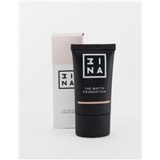
8435446402286 | The Matte Foundation 400 | 10 | 13.95 € | 139.50 €
8435446402293 | The Matte Foundation 401 | 8 | 13.95 € | 111.60 €
8435446402309 | The Matte Foundation 402 | 24 | 13.95 € | 334.80 €
8435446402316 | The Matte Foundation 403 | 10 | 13.95 € | 139.50 €
8435446402323 | The Matte Foundation 404 | 36 | 13.95 € | 502.20 €
8435446402330 | The Matte Foundation 405 | 53 | 13.95 € | 739.35 €
8435446402347 | The Matte Foundation 406 | 18 | 13.95 € | 251.10 €
8435446402354 | The Matte Foundation 407 | 24 | 13.95 € | 334.80 €
8435446404129 | The Matte Foundation 408 | 35 | 13.95 € | 488.25 €
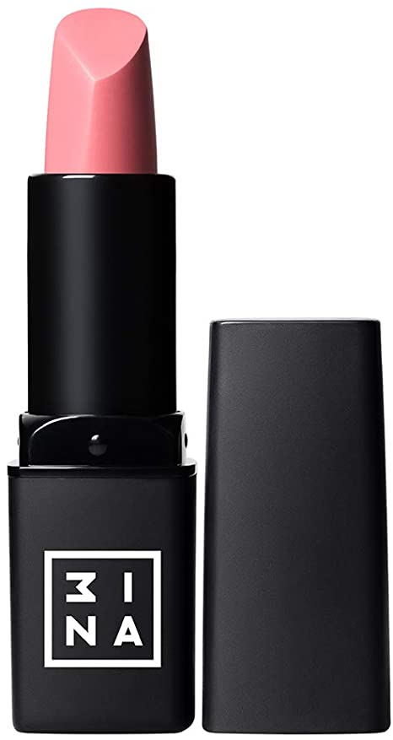
8435446404136 | The Matte Foundation 409 | 21 | 13.95 € | 292.95 €
8435446401517 | The Matte Lipstick 400 | 5 | 9.95 € | 49.75 €
8435446401524 | The Matte Lipstick 401 | 6 | 9.95 € | 59.70 €
8435446401531 | The Matte Lipstick 402 | 5 | 9.95 € | 49.75 €
8435446401548 | The Matte Lipstick 403 | 6 | 9.95 € | 59.70 €
8435446401555 | The Matte Lipstick 404 | 2 | 9.95 € | 19.90 €
8435446401579 | The Matte Lipstick 406 | 6 | 9.95 € | 59.70 €
8435446401586 | The Matte Lipstick 407 | 7 | 9.95 € | 69.65 €
8435446401593 | The Matte Lipstick 408 | 7 | 9.95 € | 69.65 €
8435446401609 | The Matte Lipstick 409 | 3 | 9.95 € | 29.85 €
8435446401616 | The Matte Lipstick 410 | 8 | 9.95 € | 79.60 €
8435446401623 | The Matte Lipstick 411 | 7 | 9.95 € | 69.65 €
8435446401647 | The Matte Lipstick 413 | 11 | 9.95 € | 109.45 €
8435446401654 | The Matte Lipstick 414 | 9 | 9.95 € | 89.55 €
8435446406147 | The Matte Lipstick 415 | 10 | 9.95 € | 99.50 €
8435446406154 | The Matte Lipstick 416 | 2 | 9.95 € | 19.90 €
8435446406161 | The Matte Lipstick 417 | 5 | 9.95 € | 49.75 €
8435446406192 | The Matte Lipstick 420 | 6 | 9.95 € | 59.70 €
8435446406208 | The Matte Lipstick 421 | 10 | 9.95 € | 99.50 €
8435446406215 | The Matte Lipstick 422 | 16 | 9.95 € | 159.20 €
8435446406222 | The Matte Lipstick 423 | 4 | 9.95 € | 39.80 €
8435446406239 | The Matte Lipstick 424 | 7 | 9.95 € | 69.65 €
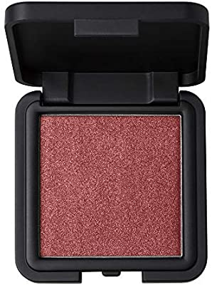
8435446400411 | The Metallic Eyeshadow 500 | 9 | 9.95 € | 89.55 €
8435446400428 | The Metallic Eyeshadow 501 | 4 | 9.95 € | 39.80 €
8435446400435 | The Metallic Eyeshadow 502 | 6 | 9.95 € | 59.70 €
8435446400442 | The Metallic Eyeshadow 503 | 23 | 9.95 € | 228.85 €
8435446400459 | The Metallic Eyeshadow 504 | 8 | 9.95 € | 79.60 €
8435446400466 | The Metallic Eyeshadow 505 | 4 | 9.95 € | 39.80 €
8435446400473 | The Metallic Eyeshadow 506 | 12 | 9.95 € | 119.40 €
8435446400480 | The Metallic Eyeshadow 507 | 2 | 9.95 € | 19.90 €
8435446400497 | The Metallic Eyeshadow 508 | 68 | 9.95 € | 676.60 €
8435446400503 | The Metallic Eyeshadow 509 | 18 | 9.95 € | 179.10 €
8435446403214 | The Micellar Gel | 30 | 9.95 € | 298.50 €
8435446403221 | The Micellar Water | 5 | 9.95 € | 49.75 €
8435446404341 | The Milk & Toner | 45 | 9.95 € | 447.75 €
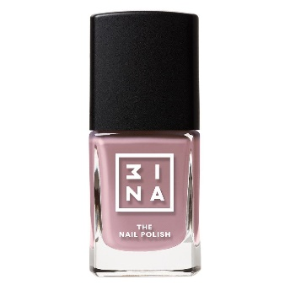
8435446402408 | The Nail Polish 103 | 3 | 5.95 € | 17.85 €
8435446402415 | The Nail Polish 104 | 10 | 5.95 € | 59.50 €
8435446402491 | The Nail Polish 112 | 12 | 5.95 € | 71.40 €
8435446402507 | The Nail Polish 113 | 12 | 5.95 € | 71.40 €
8435446402538 | The Nail Polish 116 | 2 | 5.95 € | 11.90 €
8435446402545 | The Nail Polish 117 | 12 | 5.95 € | 71.40 €
8435446402569 | The Nail Polish 119 | 4 | 5.95 € | 23.80 €
8435446402576 | The Nail Polish 120 | 8 | 5.95 € | 47.60 €
8435446402620 | The Nail Polish 125 | 10 | 5.95 € | 59.50 €
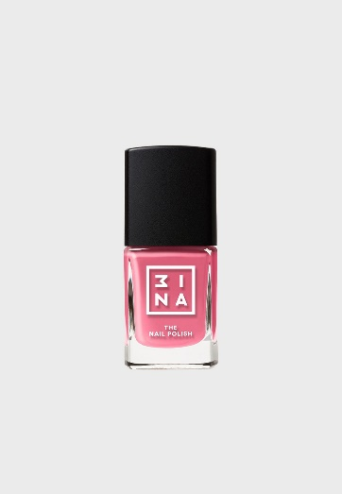
8435446402637 | The Nail Polish 126 | 5 | 5.95 € | 29.75 €
8435446402644 | The Nail Polish 127 | 3 | 5.95 € | 17.85 €
8435446402651 | The Nail Polish 128 | 14 | 5.95 € | 83.30 €
8435446402668 | The Nail Polish 129 | 3 | 5.95 € | 17.85 €
8435446402675 | The Nail Polish 130 | 7 | 5.95 € | 41.65 €
8435446402682 | The Nail Polish 131 | 10 | 5.95 € | 59.50 €
8435446402699 | The Nail Polish 132 | 11 | 5.95 € | 65.45 €
8435446402705 | The Nail Polish 133 | 9 | 5.95 € | 53.55 €
8435446402712 | The Nail Polish 134 | 12 | 5.95 € | 71.40 €
8435446402736 | The Nail Polish 136 | 1 | 5.95 € | 5.95 €
8435446402804 | The Nail Polish 143 | 9 | 5.95 € | 53.55 €
8435446402859 | The Nail Polish 148 | 1 | 5.95 € | 5.95 €
8435446402866 | The Nail Polish 149 | 10 | 5.95 € | 59.50 €
8435446402873 | The Nail Polish 150 | 3 | 5.95 € | 17.85 €
8435446402880 | The Nail Polish 151 | 4 | 5.95 € | 23.80 €
8435446402897 | The Nail Polish 152 | 12 | 5.95 € | 71.40 €
8435446402903 | The Nail Polish 153 | 2 | 5.95 € | 11.90 €
8435446402910 | The Nail Polish 154 | 9 | 5.95 € | 53.55 €
8435446402927 | The Nail Polish 155 | 6 | 5.95 € | 35.70 €
8435446402934 | The Nail Polish 156 | 3 | 5.95 € | 17.85 €
8435446402941 | The Nail Polish 157 | 14 | 5.95 € | 83.30 €
8435446402958 | The Nail Polish 158 | 13 | 5.95 € | 77.35 €
8435446402972 | The Nail Polish 160 | 12 | 5.95 € | 71.40 €
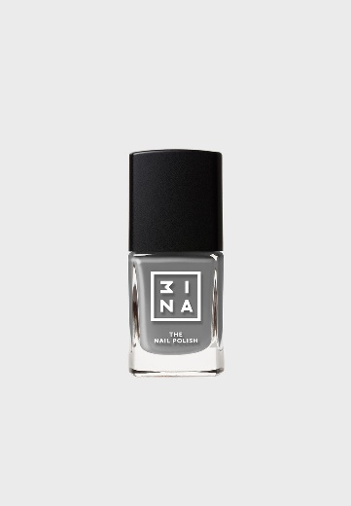
8435446402989 | The Nail Polish 161 | 9 | 5.95 € | 53.55 €
8435446402996 | The Nail Polish 162 | 5 | 5.95 € | 29.75 €
8435446403009 | The Nail Polish 163 | 13 | 5.95 € | 77.35 €
8435446403016 | The Nail Polish 164 | 2 | 5.95 € | 11.90 €
8435446403023 | The Nail Polish 165 | 10 | 5.95 € | 59.50 €
8435446403030 | The Nail Polish 166 | 1 | 5.95 € | 5.95 €
8435446403047 | The Nail Polish 167 | 13 | 5.95 € | 77.35 €
8435446403054 | The Nail Polish 168 | 12 | 5.95 € | 71.40 €
8435446403061 | The Nail Polish 169 | 2 | 5.95 € | 11.90 €
8435446403085 | The Nail Polish 171 | 5 | 5.95 € | 29.75 €
8435446403092 | The Nail Polish 172 | 12 | 5.95 € | 71.40 €
8435446403108 | The Nail Polish 173 | 4 | 5.95 € | 23.80 €
8435446403139 | The Nail Polish 176 | 15 | 5.95 € | 89.25 €
8435446403146 | The Nail Polish 177 | 9 | 5.95 € | 53.55 €
8435446403153 | The Nail Polish 178 | 9 | 5.95 € | 53.55 €
8435446403160 | The Nail Polish 179 | 11 | 5.95 € | 65.45 €
8435446403177 | The Nail Polish 180 | 9 | 5.95 € | 53.55 €
8435446403184 | The Nail Polish 181 | 9 | 5.95 € | 53.55 €
8435446403191 | The Nail Polish 182 | 12 | 5.95 € | 71.40 €
8435446404211 | The Nail Polish 183 | 10 | 5.95 € | 59.50 €
8435446404228 | The Nail Polish 184 | 11 | 5.95 € | 65.45 €
8435446404235 | The Nail Polish 185 | 2 | 5.95 € | 11.90 €
8435446404242 | The Nail Polish 186 | 11 | 5.95 € | 65.45 €
8435446404266 | The Nail Polish 188 | 11 | 5.95 € | 65.45 €
8435446404273 | The Nail Polish 189 | 11 | 5.95 € | 65.45 €
8435446404327 | The Nail Polish Remover | 87 | 8.95 € | 778.65 €
8435446403269 | The No Latex Sponge 302 | 51 | 4.95 € | 252.45 €
8435446402200 | The Nude Foundation 300 | 6 | 19.95 € | 119.70 €
8435446404402 | The Nude Foundation 301 | 24 | 19.95 € | 478.80 €
8435446402217 | The Nude Foundation 302 | 8 | 19.95 € | 159.60 €
8435446402224 | The Nude Foundation 303 | 4 | 19.95 € | 79.80 €
8435446402231 | The Nude Foundation 304 | 3 | 19.95 € | 59.85 €
8435446402248 | The Nude Foundation 305 | 5 | 19.95 € | 99.75 €
8435446402279 | The Nude Foundation 308 | 8 | 19.95 € | 159.60 €
8435446404105 | The Nude Foundation 309 | 3 | 19.95 € | 59.85 €
8435446407519 | The oil drops defence 603 | 19 | 13.95 € | 265.05 €
8435446407359 | The oil drops detox 605 | 15 | 13.95 € | 209.25 €
8435446407526 | The oil drops energy 604 | 16 | 13.95 € | 223.20 €
8435446400664 | The Pen Eyeliner | 2 | 10.50 € | 21.00 €
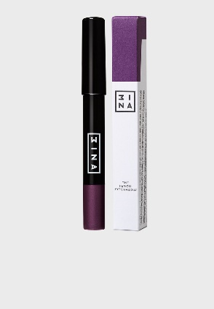
8435446403351 | The Pencil Eyeshadow 100 | 12 | 9.95 € | 119.40 €
8435446403368 | The Pencil Eyeshadow 101 | 12 | 9.95 € | 119.40 €
8435446403375 | The Pencil Eyeshadow 102 | 12 | 9.95 € | 119.40 €
8435446403382 | The Pencil Eyeshadow 103 | 12 | 9.95 € | 119.40 €
8435446403399 | The Pencil Eyeshadow 104 | 12 | 9.95 € | 119.40 €
8435446403405 | The Pencil Eyeshadow 105 | 8 | 9.95 € | 79.60 €
8435446403429 | The Pencil Eyeshadow 107 | 9 | 9.95 € | 89.55 €
8435446403436 | The Pencil Eyeshadow 108 | 11 | 9.95 € | 109.45 €
8435446403443 | The Pencil Eyeshadow 109 | 9 | 9.95 € | 89.55 €
8435446403450 | The Pencil Eyeshadow 110 | 9 | 9.95 € | 89.55 €
8435446403467 | The Pencil Eyeshadow 111 | 6 | 9.95 € | 59.70 €
8435446406543 | The Powder Brush 201 | 34 | 19.95 € | 678.30 €
8435446403245 | The Powder Puff 300 | 20 | 5.50 € | 110.00 €
8435446407083 | The Precision Brush 101 | 12 | 12.50 € | 150.00 €
8435446406475 | The Precision Liner Brush 106 | 3 | 12.50 € | 37.50 €
8435446405430 | The Restorative Mask | 82 | 5.50 € | 451.00 €
8435446401661 | The Revitalizing Primer | 35 | 14.95 € | 523.25 €
8435446401210 | The Shiny Lipstick 200 | 5 | 9.95 € | 49.75 €
8435446401227 | The Shiny Lipstick 201 | 8 | 9.95 € | 79.60 €
8435446401234 | The Shiny Lipstick 202 | 12 | 9.95 € | 119.40 €
8435446401241 | The Shiny Lipstick 203 | 6 | 9.95 € | 59.70 €
8435446401258 | The Shiny Lipstick 204 | 6 | 9.95 € | 59.70 €
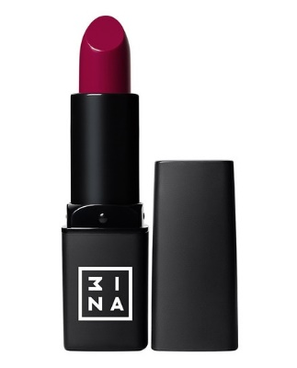
8435446401265 | The Shiny Lipstick 205 | 14 | 9.95 € | 139.30 €
8435446401272 | The Shiny Lipstick 206 | 5 | 9.95 € | 49.75 €
8435446401289 | The Shiny Lipstick 207 | 11 | 9.95 € | 109.45 €
8435446401296 | The Shiny Lipstick 208 | 14 | 9.95 € | 139.30 €
8435446401302 | The Shiny Lipstick 209 | 9 | 9.95 € | 89.55 €
8435446401319 | The Shiny Lipstick 210 | 4 | 9.95 € | 39.80 €
8435446401326 | The Shiny Lipstick 211 | 2 | 9.95 € | 19.90 €
8435446401333 | The Shiny Lipstick 212 | 15 | 9.95 € | 149.25 €
8435446401340 | The Shiny Lipstick 213 | 6 | 9.95 € | 59.70 €
8435446401357 | The Shiny Lipstick 214 | 2 | 9.95 € | 19.90 €
8435446405447 | The Soothing and Nourishing Mask | 4 | 5.50 € | 22.00 €
8435446407410 | The Stick Highlighter 400 | 5 | 12.50 € | 62.50 €
8435446407427 | The Stick Highlighter 401 | 13 | 12.50 € | 162.50 €
8435446407434 | The Stick Highlighter 402 | 15 | 12.50 € | 187.50 €
8435446404358 | The Toner | 28 | 9.95 € | 278.60 €
8435446403641 | The Transparent Mascara | 51 | 10.50 € | 535.50 €
8435446405836 | The Ultra Lengthening Mascara | 19 | 12.50 € | 237.50 €
8435446400756 | The Volume Mascara 002 | 4 | 10.50 € | 42.00 €
8435446400763 | The Waterproof Definition Mascara | 3 | 10.50 € | 31.50 €
8435446410120 | Tweezers 001 | 23 | 6.95 € | 159.85 €
 |  | 6961 |  | 76,544.00 €

